Sheet2
Sales By Trend

Row Labels | Sum of annual_sales_units
Volkswagen | 1699104
Grand Total | 1699104

EV Market Segment Distribution

Row Labels | Count of model
Mid-range | 2
Premium | 5
Grand Total | 7

Avergae Range By Brands
Row Labels | Average of range_miles
Mid-range | 273
Volkswagen | 273
Premium | 261.2
Volkswagen | 261.2
Grand Total | 264.57142857

Body type distribution

Coupe | Count of model
Sedan | 1
SUV | 3
Truck | 2
Van | 1
Grand Total | 7

Customer Ratings By Brand
Row Labels | Sum of customer_rating
Volkswagen | 24.03
Grand Total | 24.03

 |  |  |  |  | Distinct Count of model
Coupe | Sum of price_usd |  |  |  | 76
Sedan | 97372.99 |  |  |  |  | Coupe
Volkswagen | 97372.99 |  |  |  |  | Volkswagen
SUV | 194207.57 |  |  |  |  | Grand Total
Volkswagen | 194207.57 |  |  |  | Distinct Count of model
Truck | 163832.71 |  |  |  | Distinct Count of brand
Volkswagen | 163832.71 |  |  |  | 20
Van | 73902.85
Volkswagen | 73902.85 |  |  |  | Average of range_miles
Grand Total | 529316.12 |  |  |  | 262

 |  |  |  |  | Average of battery_capacity_kwh
 |  |  |  |  | 74.6628

 |  |  |  |  | Average of price_usd
 |  |  |  |  | ₹ 78,873.91
 |  | Coupe | Sum of annual_sales_units
 |  | 2022 | 1699104 |  | Average of customer_rating
 |  | Grand Total | 1699104 |  | 3.6

Sales Trend by Year

 |  |  | Coupe
 |  |  | ID. Aero
 |  |  | ID.3
 |  |  | ID.4 | #REF!
 |  |  | ID.5
 |  |  | Grand Total

Dashboard
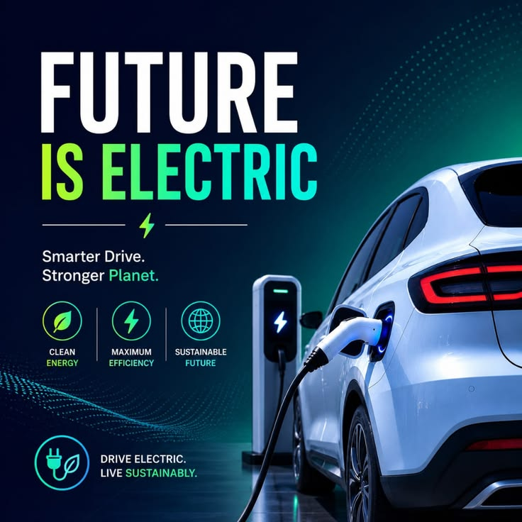
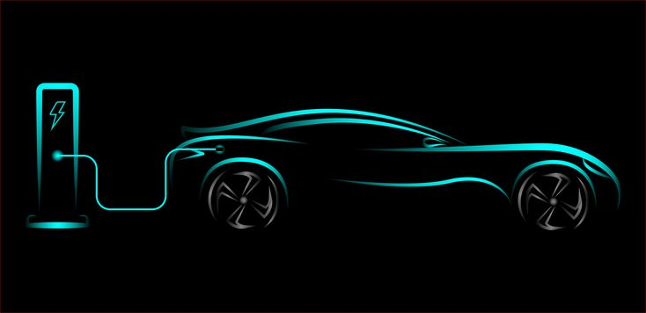
 ELECTRIC VEHICLE MARKET ANALYLICS DASHBOARD

Sales,Performance & Market Analysis 2020-2026
Overview
/
Avg Battery
74.6628
Total Models
Total Brands
20
Avg Range
262
Avg Price
₹ 78,873.91
Avg Rating
3.6
76

Sales Analysis
EV Market Segment Distribution
 | Total
Mid-range | 2
Premium | 5
Customer Ratings By Brand
 | Total
Volkswagen | 24.03
Sales By Trend
 | Total
Volkswagen | 1699104

Battery Analysis

Vehicle Analysis

Marks Segments

Details
Avergae Range By Brands
 | Total
Volkswagen | 273
Volkswagen | 261.2
Sales Trend by Year
 | Total
2022 | 1699104
Body type distribution
 | Total
Sedan | 1
SUV | 3
Truck | 2
Van | 1

